FRONT PAGE
BILL OF QUANTITIES

PROPOSED MIRABLE CENTRE
AT
LAGOS STATE UNIVERSITY TEACHING HOSPITAL
IKEJA LOCAL GOVERNMENT AREA
LAGOS STATE
NIGERIA
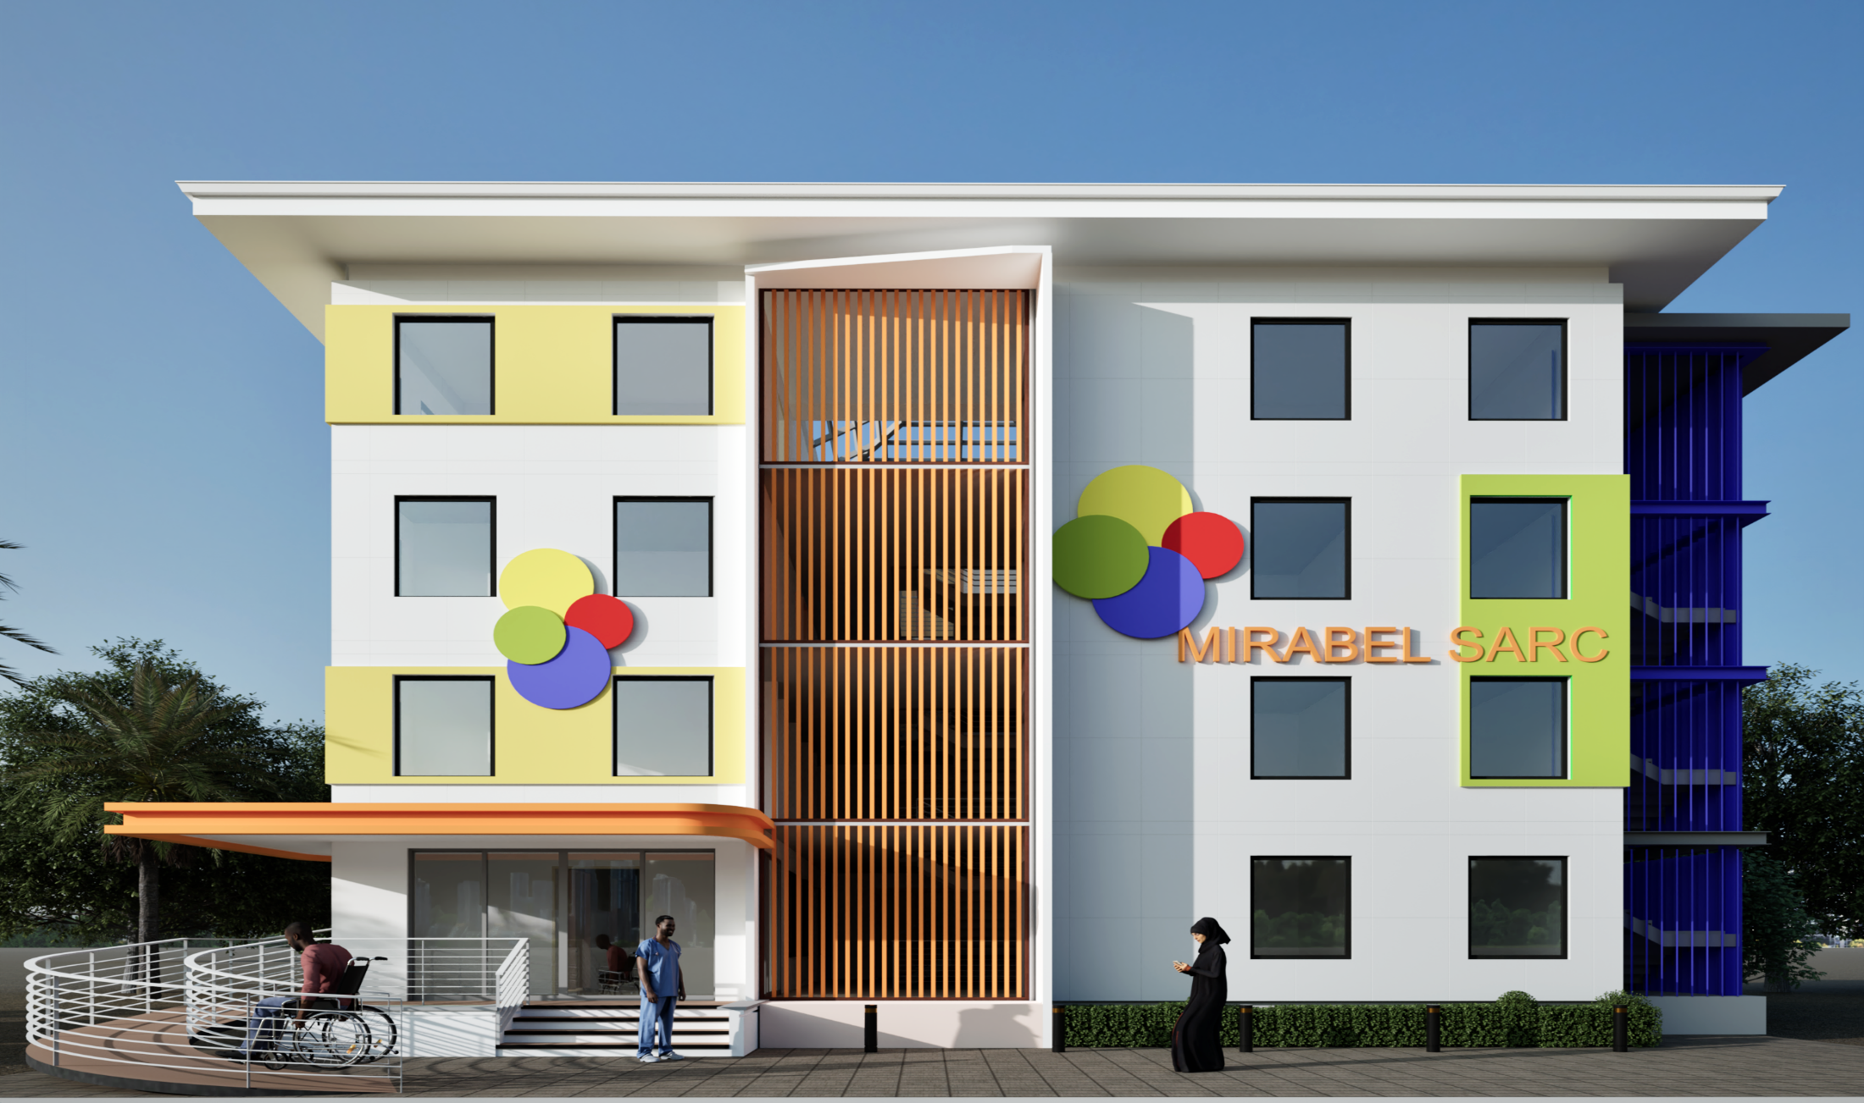

CLIENT | DESIGNED BY: | PREPARED BY:
RULE OF LAW AND ANTI-CORRUPTION
(ROLAC)

 | KM 35, Lekki-Epe Expressway, | KM 35, Lekki-Epe Expressway,
 | Ibeju-Lekki, Lagos. | Ibeju-Lekki, Lagos.
 | Phone: 01-2932794 | Phone: 01-2932794
 | www.olutee-ng.com | www.olutee-ng.com

 |  |  | OCTOBER, 2025

